h1
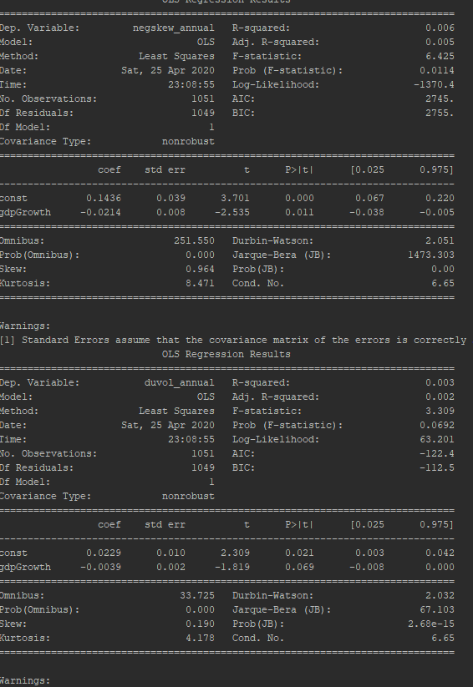
 |  | DUVOL |  |  | NCSKEW |  |  |  |  | DUVOL |  |  | NCSKEW
Country | Country Code | R^2 | p value | n | R^2 | p value | n | Country | Country Code | R^2 | p value | n | R^2 | p value | n
Morocco | MAR | 0.047 | 0.681 | 6 | 0.019 | 0.795 | 6 | All Countries | ALL | 0.003 | 0.069 | 1051 | 0.006 | 0.011** | 1051
United Arab Emirates | ARE | 0.119 | 0.248 | 13 | 0.016 | 0.684 | 13
Argentina | ARG | 0.177 | 0.348 | 7 | 0.185 | 0.335 | 7 |  |  |  |  |  |  |  | Year | Frequency | Percent | GDPGrowth | DUVOL | NCSKEW
Australia | AUS | 0.15 | 0.101 | 19 | 0.145 | 0.107 | 19 |  |  |  |  |  |  |  | 2000 | 43 | 4.09 | 5.052 | -0.048 | -0.123
Austria | AUT | 0.027 | 0.499 | 19 | 0.012 | 0.65 | 19 |  |  |  |  |  |  |  | 2001 | 43 | 4.09 | 2.159 | 0.173 | 0.902
Belgium | BEL | 0.075 | 0.258 | 19 | 0.075 | 0.255 | 19 |  |  |  |  |  |  |  | 2002 | 43 | 4.09 | 3.036 | 0.05 | 0.103
Bangladesh | BGD | 0.014 | 0.883 | 4 | 0.005 | 0.926 | 4 |  |  |  |  |  |  |  | 2003 | 43 | 4.09 | 3.275 | 0.006 | -0.059
Bulgaria | BGR | 0.079 | 0.432 | 10 | 0 | 0.968 | 10 |  |  |  |  |  |  |  | 2004 | 43 | 4.09 | 4.986 | -0.027 | -0.176
Bahrain | BHR | 0.085 | 0.333 | 13 | 0.111 | 0.266 | 13 |  |  |  |  |  |  |  | 2005 | 44 | 4.19 | 4.318 | -0.006 | -0.09
Bosnia And Herzegovina | BIH | 0.307 | 0.446 | 4 | 0.616 | 0.215 | 4 |  |  |  |  |  |  |  | 2006 | 49 | 4.66 | 5.704 | -0.076 | -0.363
Brazil | BRA | 0.015 | 0.621 | 19 | 0.01 | 0.685 | 19 |  |  |  |  |  |  |  | 2007 | 49 | 4.66 | 5.356 | 0.007 | -0.029
Botswana | BWA | 0.086 | 0.707 | 4 | 0.371 | 0.391 | 4 |  |  |  |  |  |  |  | 2008 | 49 | 4.66 | 2.814 | 0.088 | 0.319
Canada | CAN | 0.185 | 0.066 | 19 | 0.103 | 0.18 | 19 |  |  |  |  |  |  |  | 2009 | 58 | 5.52 | -0.817 | -0.048 | -0.124
Switzerland | CHE | 0.047 | 0.371 | 19 | 0.038 | 0.422 | 19 |  |  |  |  |  |  |  | 2010 | 58 | 5.52 | 4.261 | -0.016 | 0.018
Chile | CHL | 0.032 | 0.467 | 19 | 0.032 | 0.461 | 19 |  |  |  |  |  |  |  | 2011 | 59 | 5.61 | 3.265 | 0.062 | 0.242
China | CHN | 0.105 | 0.177 | 19 | 0.008 | 0.718 | 19 |  |  |  |  |  |  |  | 2012 | 60 | 5.71 | 2.323 | -0.008 | -0.017
Colombia | COL | 0.012 | 0.656 | 19 | 0.001 | 0.909 | 19 |  |  |  |  |  |  |  | 2013 | 61 | 5.8 | 2.629 | 0.099 | 0.406
Czech Republic | CZE | 0.106 | 0.174 | 19 | 0.083 | 0.233 | 19 |  |  |  |  |  |  |  | 2014 | 61 | 5.8 | 2.909 | 0.078 | 0.426
Germany | DEU | 0 | 0.99 | 19 | 0.012 | 0.661 | 19 |  |  |  |  |  |  |  | 2015 | 72 | 6.85 | 2.916 | -0.029 | -0.017
Denmark | DNK | 0.066 | 0.29 | 19 | 0.123 | 0.141 | 19 |  |  |  |  |  |  |  | 2016 | 72 | 6.85 | 2.756 | -0.005 | 0.127
Egypt | EGY | 0.074 | 0.259 | 19 | 0.048 | 0.369 | 19 |  |  |  |  |  |  |  | 2017 | 72 | 6.85 | 3.298 | -0.061 | -0.196
Spain | ESP | 0.02 | 0.563 | 19 | 0 | 0.994 | 19 |  |  |  |  |  |  |  | 2018 | 72 | 6.85 | 3.225 | -0.001 | 0.084
Estonia | EST | 0.836 | 0.086 | 4 | 0.934 | 0.033** | 4 |  |  |  |  |  |  |  | Total | 1051 | 99.98 | 3.34 | 0.013 | 0.075
Finland | FIN | 0.007 | 0.731 | 19 | 0.018 | 0.58 | 19
France | FRA | 0.006 | 0.759 | 19 | 0.003 | 0.837 | 19
United Kingdom | GBR | 0.063 | 0.301 | 19 | 0.049 | 0.36 | 19
Ghana | GHA | 0.772 | 0.121 | 4 | 0.748 | 0.135 | 4
Greece | GRC | 0.028 | 0.49 | 19 | 0.042 | 0.403 | 19 |  |  |  |  |  |  |  |  |  | Hypothesis 1
Hong Kong | HKG | 0.015 | 0.619 | 19 | 0 | 0.973 | 19 |  |  |  |  |  |  |  |  |  | Year | Frequency | Percent | GDPGrowth | DUVOL | NCSKEW
Croatia | HRV | 0.143 | 0.282 | 10 | 0.077 | 0.437 | 10 |  |  | Hypothesis 1 |  |  |  |  |  |  | 2000 | 43 | 4.09 | 5.05 | -0.05 | -0.12
Hungary | HUN | 0.021 | 0.555 | 19 | 0.001 | 0.895 | 19 |  |  |  | Crash Risk Measure |  |  |  |  |  | 2001 | 43 | 4.09 | 2.16 | 0.17 | 0.90
Indonesia | IDN |  |  |  |  |  |  |  |  |  | DUVOL |  | NCSKEW |  |  |  | 2002 | 43 | 4.09 | 3.04 | 0.05 | 0.10
India | IND | 0.173 | 0.076 | 19 | 0.16 | 0.09 | 19 |  |  | Model | Coef | p value | Coef | p value |  |  | 2003 | 43 | 4.09 | 3.28 | 0.01 | -0.06
Ireland | IRL | 0.001 | 0.905 | 19 | 0.014 | 0.632 | 19 |  |  | const | 0.023 | 0.021 | 0.144 | 0.000 |  |  | 2004 | 43 | 4.09 | 4.99 | -0.03 | -0.18
Israel | ISR | 0 | 0.973 | 19 | 0 | 0.999 | 19 |  |  | GDPGrowth | -0.004 | 0.069 | -0.021 | 0.011 |  |  | 2005 | 44 | 4.19 | 4.32 | -0.01 | -0.09
Italy | ITA | 0.021 | 0.556 | 19 | 0.011 | 0.671 | 19 |  |  | R^2 | 0.003 |  | 0.006 |  |  |  | 2006 | 49 | 4.66 | 5.70 | -0.08 | -0.36
Jamaica | JAM | 0.086 | 0.706 | 4 | 0.031 | 0.823 | 4 |  |  | n | 1051 |  | 1051 |  |  |  | 2007 | 49 | 4.66 | 5.36 | 0.01 | -0.03
Jordan | JOR | 0.022 | 0.543 | 19 | 0.007 | 0.742 | 19 |  |  |  |  |  |  |  |  |  | 2008 | 49 | 4.66 | 2.81 | 0.09 | 0.32
Japan | JPN | 0.061 | 0.309 | 19 | 0.074 | 0.261 | 19 |  |  |  |  |  |  |  |  |  | 2009 | 58 | 5.52 | -0.82 | -0.05 | -0.12
Kazakhstan | KAZ | 0.003 | 0.873 | 10 | 0.001 | 0.917 | 10 |  |  |  |  |  |  |  |  |  | 2010 | 58 | 5.52 | 4.26 | -0.02 | 0.02
Kenya | KEN | 0.075 | 0.445 | 10 | 0 | 0.954 | 10 |  |  |  |  |  |  |  |  |  | 2011 | 59 | 5.61 | 3.27 | 0.06 | 0.24
Korea | KOR | 0.003 | 0.816 | 19 | 0.029 | 0.485 | 19 |  |  |  |  |  |  |  |  |  | 2012 | 60 | 5.71 | 2.32 | -0.01 | -0.02
Kuwait | KWT | 0.193 | 0.133 | 13 | 0.082 | 0.342 | 13 |  |  |  |  |  |  |  |  |  | 2013 | 61 | 5.8 | 2.63 | 0.10 | 0.41
Lebanon | LBN | 0.176 | 0.227 | 10 | 0.069 | 0.463 | 10 |  |  |  |  |  |  |  |  |  | 2014 | 61 | 5.8 | 2.91 | 0.08 | 0.43
SRI Lanka | LKA | 0.015 | 0.613 | 19 | 0.099 | 0.189 | 19 |  |  |  |  |  |  |  |  |  | 2015 | 72 | 6.85 | 2.92 | -0.03 | -0.02
Lithuania | LTU | 0.992 | 0.004** | 4 | 0.207 | 0.545 | 4 |  |  |  |  |  |  |  |  |  | 2016 | 72 | 6.85 | 2.76 | -0.01 | 0.13
Mexico | MEX | 0.018 | 0.749 | 8 | 0.038 | 0.645 | 8 |  |  |  |  |  |  |  |  |  | 2017 | 72 | 6.85 | 3.30 | -0.06 | -0.20
Mauritius | MUS | 0.316 | 0.438 | 4 | 0.045 | 0.787 | 4 |  |  |  |  |  |  |  |  |  | 2018 | 72 | 6.85 | 3.23 | 0.00 | 0.08
Malaysia | MYS | 0.024 | 0.527 | 19 | 0.031 | 0.474 | 19 |  |  |  |  |  |  |  |  |  | Total | 1051 | 99.98 | 3.34 | 0.01 | 0.08
Nigeria | NGA | 0.005 | 0.849 | 10 | 0.035 | 0.606 | 10
Netherlands | NLD | 0.068 | 0.281 | 19 | 0.119 | 0.149 | 19
Norway | NOR | 0.034 | 0.45 | 19 | 0.001 | 0.926 | 19
New Zealand | NZL | 0.035 | 0.444 | 19 | 0.002 | 0.844 | 19
Oman | OMN | 0.006 | 0.808 | 13 | 0 | 0.999 | 13
Pakistan | PAK | 0.039 | 0.42 | 19 | 0.027 | 0.5 | 19
Peru | PER | 0.002 | 0.865 | 19 | 0.003 | 0.822 | 19
Philippines | PHL | 0.147 | 0.106 | 19 | 0.132 | 0.127 | 19
Poland | POL | 0.018 | 0.585 | 19 | 0.017 | 0.592 | 19
Portugal | PRT | 0 | 0.95 | 19 | 0 | 0.992 | 19
Qatar | QAT | 0.171 | 0.161 | 13 | 0.168 | 0.165 | 13
Romania | ROU | 0.045 | 0.557 | 10 | 0.046 | 0.55 | 10
Russia | RUS | 0.171 | 0.078 | 19 | 0.109 | 0.168 | 19
Singapore | SGP | 0.039 | 0.416 | 19 | 0.002 | 0.868 | 19
Serbia | SRB | 0 | 0.989 | 4 | 0 | 0.991 | 4
Slovenia | SVN | 0.082 | 0.422 | 10 | 0.001 | 0.916 | 10
Sweden | SWE | 0.014 | 0.63 | 19 | 0.004 | 0.803 | 19
Thailand | THA | 0.217 | 0.044** | 19 | 0.277 | 0.021** | 19
Tunisia | TUN | 0.003 | 0.844 | 14 | 0.069 | 0.364 | 14
Turkey | TUR | 0.012 | 0.659 | 19 | 0.009 | 0.703 | 19
Ukraine | UKR | 0.882 | 0.061 | 4 | 0.985 | 0.008** | 4
United States | USA | 0.064 | 0.295 | 19 | 0.043 | 0.393 | 19
Vietnam | VNM | 0.204 | 0.19 | 10 | 0.221 | 0.17 | 10
Zimbabwe | ZWE | 0.09 | 0.701 | 4 | 0.251 | 0.499 | 4

h2
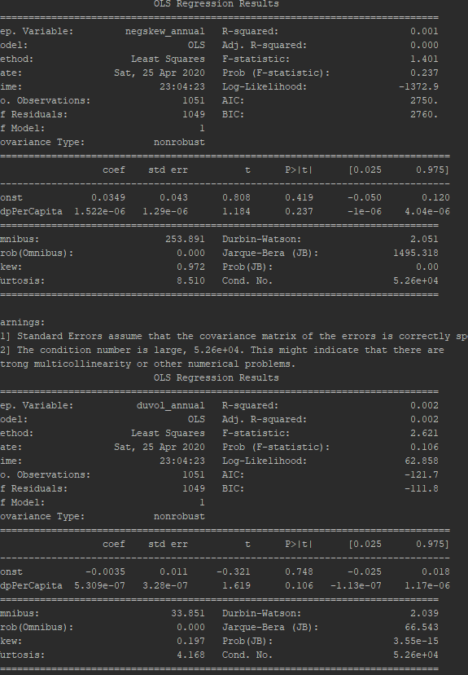
 | country | cncode | duvol_r2 | duvol_b1_pval | duvol_observ | negskew_r2 | negskew_b1_pval | negskew_observ
0 | All Countries | ALL | 0.002 | 0.106 | 1051 | 0.001 | 0.237 | 1051
Hypothesis 2
Year | Frequency | Percent | GDPPerCapita | DUVOL | NCSKEW
2000 | 43 | 4.09 | 25130.36 | -0.05 | -0.12
2001 | 43 | 4.09 | 25416.26 | 0.17 | 0.90 |  |  |  | Hypothesis 2
2002 | 43 | 4.09 | 25758.67 | 0.05 | 0.10 |  |  |  |  | Crash Risk Measure
2003 | 43 | 4.09 | 26118.04 | 0.01 | -0.06 |  |  |  |  | DUVOL |  | NCSKEW
2004 | 43 | 4.09 | 26957.71 | -0.03 | -0.18 |  |  |  | Model | Coef | p value | Coef | p value
2005 | 44 | 4.19 | 27082.41 | -0.01 | -0.09 |  |  |  | const | -0.004 | 0.748 | 0.035 | 0.102
2006 | 49 | 4.66 | 29328.25 | -0.08 | -0.36 |  |  |  | GDPPerCapita | 0.000 | 0.106 | 0.000 | 0.237
2007 | 49 | 4.66 | 29955.52 | 0.01 | -0.03 |  |  |  | R^2 | 0.002 |  | 0.001
2008 | 49 | 4.66 | 29796.15 | 0.09 | 0.32 |  |  |  | n | 1051 |  | 1051
2009 | 58 | 5.52 | 25352.93 | -0.05 | -0.12
2010 | 58 | 5.52 | 25845.74 | -0.02 | 0.02
2011 | 59 | 5.61 | 25929.99 | 0.06 | 0.24
2012 | 60 | 5.71 | 25717.62 | -0.01 | -0.02
2013 | 61 | 5.8 | 25494.34 | 0.10 | 0.41
2014 | 61 | 5.8 | 25831.00 | 0.08 | 0.43
2015 | 72 | 6.85 | 23336.38 | -0.03 | -0.02
2016 | 72 | 6.85 | 23641.17 | -0.01 | 0.13
2017 | 72 | 6.85 | 24089.43 | -0.06 | -0.20
2018 | 72 | 6.85 | 24526.79 | 0.00 | 0.08
Total | 1051 | 99.98 | 26068.88 | 0.01 | 0.08

h3
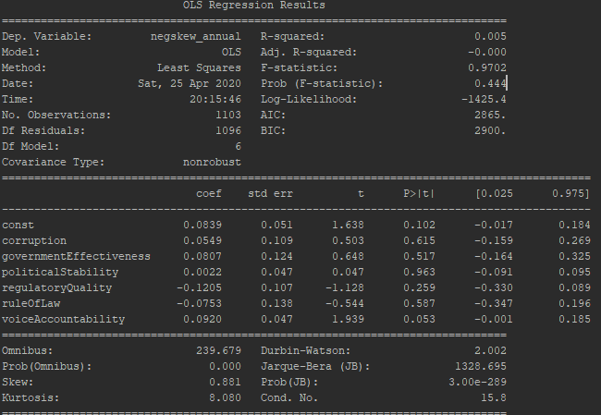
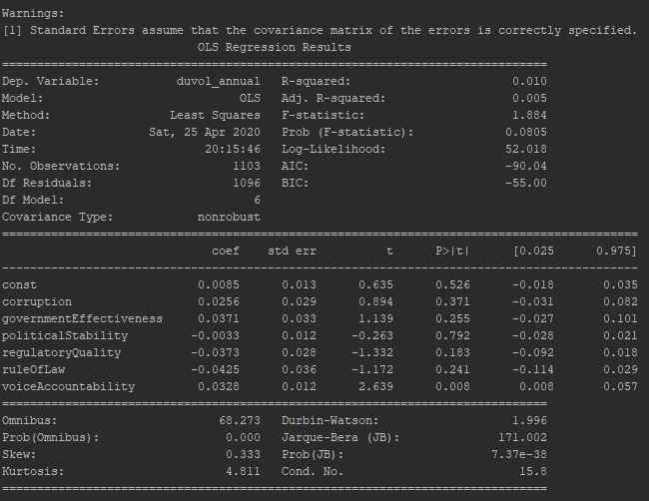

 |  |  |  |  |  |  | Hypothesis 3
 |  |  |  |  |  |  | Year | Frequency | Percent | COC | GE | PS | RQ | ROL | VA | DUVOL | NCSKEW
 | DUVOL |  |  | NCSKEW |  |  | 2000 | 42 | 3.81 | 0.98 | 1.03 | 0.47 | 0.98 | 0.90 | 0.73 | -0.05 | -0.14
 | R^2 | p value | n | R^2 | p value | n | 2001 | 42 | 3.81 | 0.98 | 1.03 | 0.47 | 0.98 | 0.90 | 0.73 | 0.17 | 0.91
 | 0.003 | 0.069 | 1051 | 0.006 | 0.011** | 1051 | 2002 | 42 | 3.81 | 0.96 | 1.06 | 0.51 | 0.96 | 0.93 | 0.73 | 0.05 | 0.12
 |  |  |  |  |  |  | 2003 | 42 | 3.81 | 1.00 | 1.08 | 0.26 | 0.99 | 0.94 | 0.75 | 0.00 | -0.08
 |  |  |  |  |  |  | 2004 | 42 | 3.81 | 0.95 | 1.06 | 0.20 | 0.96 | 0.91 | 0.82 | -0.02 | -0.16
 | DUVOL |  | NCSKEW |  |  |  | 2005 | 43 | 3.9 | 0.90 | 0.99 | 0.28 | 0.92 | 0.88 | 0.75 | 0.00 | -0.08
 | Coef | p value | Coef | p value |  |  | 2006 | 48 | 4.35 | 0.88 | 0.95 | 0.30 | 0.90 | 0.84 | 0.47 | -0.07 | -0.34
const | 0.0085 | 0.526 | 0.0839 | 0.102 |  |  | 2007 | 48 | 4.35 | 0.87 | 0.97 | 0.27 | 0.92 | 0.85 | 0.47 | 0.01 | -0.02
COC | 0.0256 | 0.371 | 0.0549 | 0.102 |  |  | 2008 | 48 | 4.35 | 0.86 | 0.95 | 0.25 | 0.93 | 0.86 | 0.47 | 0.09 | 0.32
GE | 0.0371 | 0.255 | 0.0807 | 0.615 |  |  | 2009 | 57 | 5.17 | 0.64 | 0.77 | 0.14 | 0.78 | 0.67 | 0.37 | -0.05 | -0.13
PS | -0.0033 | 0.792 | 0.0022 | 0.517 |  |  | 2010 | 57 | 5.17 | 0.63 | 0.78 | 0.15 | 0.77 | 0.68 | 0.37 | -0.02 | 0.02
RQ | -0.0373 | 0.183 | -0.1205 | 0.963 |  |  | 2011 | 58 | 5.26 | 0.61 | 0.76 | 0.15 | 0.76 | 0.65 | 0.38 | 0.05 | 0.21
ROL | -0.0425 | 0.241 | -0.0753 | 0.259 |  |  | 2012 | 59 | 5.35 | 0.60 | 0.74 | 0.13 | 0.73 | 0.63 | 0.40 | -0.01 | -0.01
VA | 0.0328 | 0.008 | 0.092 | 0.053 |  |  | 2013 | 60 | 5.44 | 0.58 | 0.74 | 0.12 | 0.72 | 0.62 | 0.37 | 0.10 | 0.42
R^2 | 0.01 |  | 0.005 |  |  |  | 2014 | 60 | 5.44 | 0.55 | 0.76 | 0.15 | 0.72 | 0.68 | 0.35 | 0.07 | 0.42
n | 1103 |  | 1103 |  |  |  | 2015 | 71 | 6.44 | 0.45 | 0.66 | 0.09 | 0.64 | 0.56 | 0.35 | -0.03 | -0.02
 |  |  |  |  |  |  | 2016 | 71 | 6.44 | 0.47 | 0.64 | 0.08 | 0.64 | 0.56 | 0.34 | -0.01 | 0.06
 |  |  |  |  |  |  | 2017 | 71 | 6.44 | 0.43 | 0.63 | 0.11 | 0.64 | 0.55 | 0.33 | -0.06 | -0.19
 |  |  |  |  |  |  | 2018 | 71 | 6.44 | 0.44 | 0.62 | 0.12 | 0.64 | 0.55 | 0.34 | 0.00 | 0.08
 |  |  |  |  |  |  | 2019 | 71 | 6.44 | 0.44 | 0.62 | 0.12 | 0.64 | 0.55 | 0.34 | 0.04 | 0.23
 |  |  |  |  |  |  | Total | 1103 | 100.03 | 0.71 | 0.84 | 0.22 | 0.81 | 0.74 | 0.49 | 0.01 | 0.08

Hypothesis 3
 | Crash Risk Measure
 | DUVOL |  | NCSKEW
Model | Coef | p value | Coef | p value
const | 0.009 | 0.526 | 0.084 | 0.102
COC | 0.026 | 0.371 | 0.055 | 0.102
GE | 0.037 | 0.255 | 0.081 | 0.615
PS | -0.003 | 0.792 | 0.002 | 0.517
RQ | -0.037 | 0.183 | -0.121 | 0.963
ROL | -0.043 | 0.241 | -0.075 | 0.259
VA | 0.033 | 0.008 | 0.092 | 0.053
R^2 | 0.010 |  | 0.005
n | 1103 |  | 1103

h4
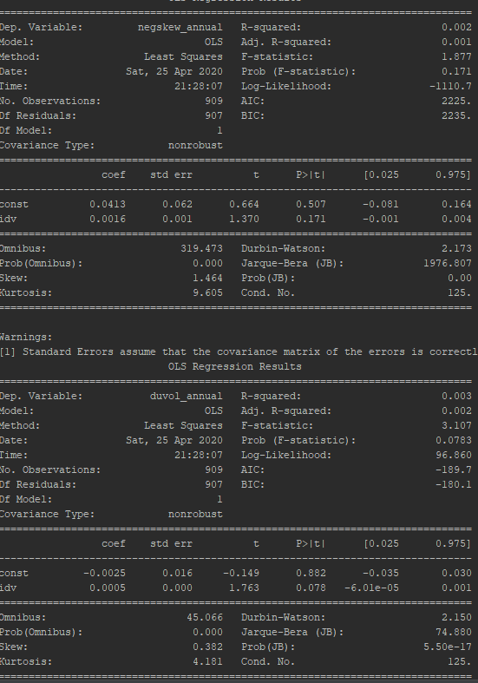
 |  |  |  |  | Hypothesis 4
 |  |  |  |  | Year | Frequency | Percent | IDV | DUVOL | NCSKEW
 |  |  |  |  | 2000 | 40 | 4.4 | 51.70 | -0.06 | -0.13
 |  |  |  |  | 2001 | 40 | 4.4 | 51.70 | 0.18 | 0.96
 |  |  |  |  | 2002 | 40 | 4.4 | 51.70 | 0.05 | 0.09
 |  |  |  |  | 2003 | 40 | 4.4 | 51.70 | 0.00 | -0.08
 |  |  |  |  | 2004 | 40 | 4.4 | 51.70 | -0.02 | -0.14
 |  |  |  |  | 2005 | 40 | 4.4 | 51.70 | 0.02 | 0.01
 |  |  |  |  | 2006 | 41 | 4.51 | 51.05 | -0.04 | -0.17
 |  |  |  |  | 2007 | 41 | 4.51 | 51.05 | 0.05 | 0.13
 |  |  |  |  | 2008 | 41 | 4.51 | 51.05 | 0.08 | 0.28
 |  |  |  |  | 2009 | 46 | 5.06 | 48.54 | -0.04 | -0.14
 |  |  |  |  | 2010 | 46 | 5.06 | 48.54 | 0.03 | 0.12
 |  |  |  |  | 2011 | 47 | 5.17 | 48.15 | 0.06 | 0.18
 |  |  |  |  | 2012 | 48 | 5.28 | 48.10 | -0.01 | -0.02
 |  |  |  |  | 2013 | 49 | 5.39 | 48.06 | 0.11 | 0.44
 |  |  |  |  | 2014 | 49 | 5.39 | 48.06 | 0.05 | 0.34
 |  |  |  |  | 2015 | 52 | 5.72 | 47.58 | -0.04 | -0.12
 |  |  |  |  | 2016 | 52 | 5.72 | 47.58 | -0.02 | 0.09
 |  |  |  |  | 2017 | 52 | 5.72 | 47.58 | -0.03 | -0.08
 |  |  |  |  | 2018 | 52 | 5.72 | 47.58 | 0.03 | 0.22
 |  |  |  |  | 2019 | 53 | 5.83 | 46.94 | 0.08 | 0.35
 |  |  |  |  | Total | 909 | 99.99 | 49.50 | 0.02 | 0.12

 | DUVOL |  | NCSKEW
 | Coef | p value | Coef | p value
const | -0.0025 | 0.882 | 0.0413 | 0.507
IDV | 0.0005 | 0.078 | 0.0016 | 0.171
R^2 | 0.003 |  | 0.002
n | 909 |  | 909

Hypothesis 4
 | Crash Risk Measure
 | DUVOL |  | NCSKEW
Model | Coef | p value | Coef | p value
const | -0.003 | 0.882 | 0.041 | 0.507
IDV | 0.001 | 0.078 | 0.002 | 0.171
R^2 | 0.003 |  | 0.002
n | 909 |  | 909

h5
 |  |  |  |  | Hypothesis 5
 |  |  |  |  | Year | Frequency | Percent | UAI | LTO | DUVOL | NCSKEW
 |  |  |  |  | 2000 | 33 | 4.88 | 59.03 | 42.70 | -0.07 | -0.20
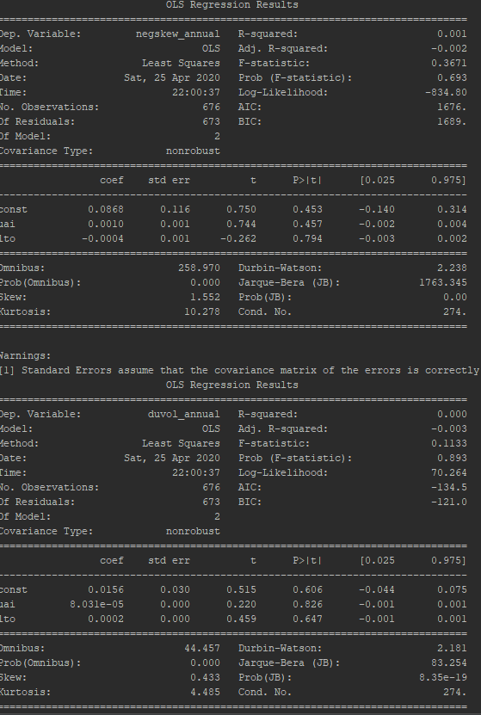
 |  |  |  |  | 2001 | 33 | 4.88 | 59.03 | 42.70 | 0.19 | 1.08
 |  |  |  |  | 2002 | 33 | 4.88 | 59.03 | 42.70 | 0.04 | 0.06
 |  |  |  |  | 2003 | 33 | 4.88 | 59.03 | 42.70 | 0.03 | 0.03
 |  |  |  |  | 2004 | 33 | 4.88 | 59.03 | 42.70 | -0.03 | -0.19
 |  |  |  |  | 2005 | 33 | 4.88 | 59.03 | 42.70 | 0.02 | 0.01
 |  |  |  |  | 2006 | 33 | 4.88 | 59.03 | 42.70 | -0.06 | -0.21
 |  |  |  |  | 2007 | 33 | 4.88 | 59.03 | 42.70 | 0.06 | 0.17
 |  |  |  |  | 2008 | 33 | 4.88 | 59.03 | 42.70 | 0.10 | 0.35
 |  |  |  |  | 2009 | 34 | 5.03 | 58.18 | 43.79 | -0.04 | -0.12
 |  |  |  |  | 2010 | 34 | 5.03 | 58.18 | 43.79 | 0.04 | 0.19
 |  |  |  |  | 2011 | 34 | 5.03 | 58.18 | 43.79 | 0.06 | 0.22
 |  |  |  |  | 2012 | 34 | 5.03 | 58.18 | 43.79 | -0.03 | -0.10
 |  |  |  |  | 2013 | 34 | 5.03 | 58.18 | 43.79 | 0.13 | 0.54
 |  |  |  |  | 2014 | 34 | 5.03 | 58.18 | 43.79 | 0.07 | 0.41
 |  |  |  |  | 2015 | 35 | 5.18 | 58.23 | 43.69 | -0.04 | -0.16
 |  |  |  |  | 2016 | 35 | 5.18 | 58.23 | 43.69 | -0.02 | 0.06
 |  |  |  |  | 2017 | 35 | 5.18 | 58.23 | 43.69 | -0.02 | -0.11
 |  |  |  |  | 2018 | 35 | 5.18 | 58.23 | 43.69 | 0.04 | 0.23
 |  |  |  |  | 2019 | 35 | 5.18 | 58.23 | 43.69 | 0.09 | 0.37
 |  |  |  |  | Total | 676 | 100 | 58.57 | 43.27 | 0.03 | 0.13

Hypothesis 5
 | Crash Risk Measure
 | DUVOL |  | NCSKEW
Model | Coef | p value | Coef | p value
const | 0.016 | 0.606 | 0.087 | 0.453
UAI | 0.000 | 0.826 | 0.001 | 0.457
LTO | 0.000 | 0.647 | 0.000 | 0.794
R^2 | 0 |  | 0.001
n | 676 |  | 676

h6
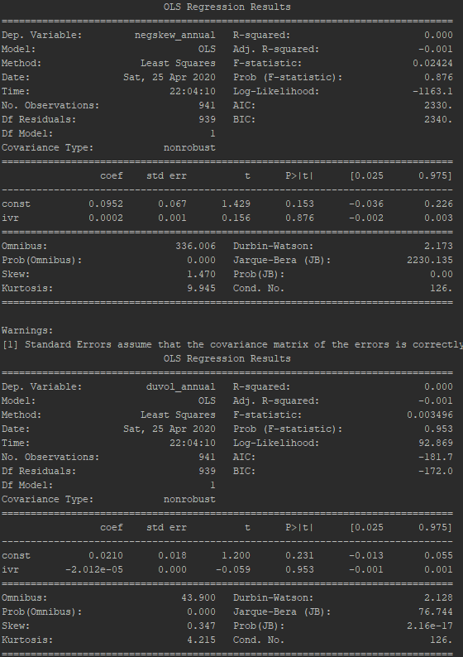

Hypothesis 6
 | Crash Risk Measure
 | DUVOL |  | NCSKEW |  | Hypothesis 6
Model | Coef | p value | Coef | p value | Year | Frequency | Percent | IVR | DUVOL | NCSKEW
const | 0.021 | 0.231 | 0.095 | 0.153 | 2000 | 41 | 4.36 | 47.90 | -0.05 | -0.12
IVR | 0.000 | 0.953 | 0.000 | 0.876 | 2001 | 41 | 4.36 | 47.90 | 0.19 | 1.00
R^2 | 0 |  | 0 |  | 2002 | 41 | 4.36 | 47.90 | 0.05 | 0.09
n | 941 |  | 941 |  | 2003 | 41 | 4.36 | 47.90 | 0.02 | -0.03
 |  |  |  |  | 2004 | 41 | 4.36 | 47.90 | -0.03 | -0.19
 |  |  |  |  | 2005 | 41 | 4.36 | 47.90 | 0.02 | -0.02
 |  |  |  |  | 2006 | 41 | 4.36 | 47.90 | -0.05 | -0.24
 |  |  |  |  | 2007 | 41 | 4.36 | 47.90 | 0.05 | 0.10
 |  |  |  |  | 2008 | 41 | 4.36 | 47.90 | 0.08 | 0.26
 |  |  |  |  | 2009 | 47 | 4.99 | 46.81 | -0.03 | -0.09
 |  |  |  |  | 2010 | 47 | 4.99 | 46.81 | 0.02 | 0.13
 |  |  |  |  | 2011 | 48 | 5.1 | 47.85 | 0.07 | 0.21
 |  |  |  |  | 2012 | 49 | 5.21 | 48.14 | -0.02 | -0.09
 |  |  |  |  | 2013 | 50 | 5.31 | 47.68 | 0.09 | 0.40
 |  |  |  |  | 2014 | 50 | 5.31 | 47.68 | 0.07 | 0.39
 |  |  |  |  | 2015 | 56 | 5.95 | 45.54 | -0.05 | -0.08
 |  |  |  |  | 2016 | 56 | 5.95 | 45.54 | 0.00 | 0.14
 |  |  |  |  | 2017 | 56 | 5.95 | 45.54 | -0.05 | -0.23
 |  |  |  |  | 2018 | 56 | 5.95 | 45.54 | 0.02 | 0.18
 |  |  |  |  | 2019 | 57 | 6.06 | 45.40 | 0.05 | 0.28
 |  |  |  |  | Total | 941 | 100.01 | 47.18 | 0.02 | 0.10

